ROC, Lift Chart and Gain Chart
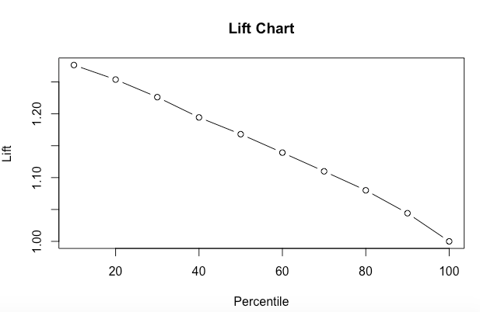
ROC Curve | Gain Chart

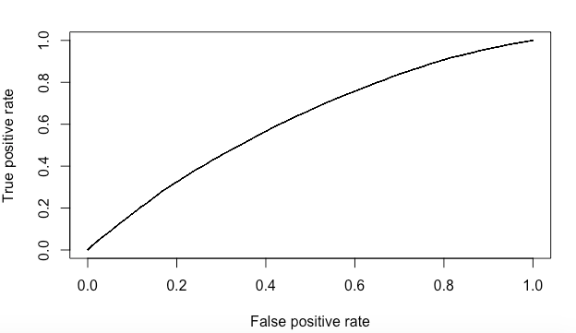
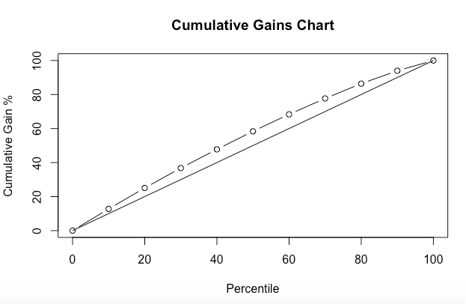

Lift Chart

Confusion Matrix, AUC & SomersD
Confusion Matrix

For Calibration Data |  | For Validation Data
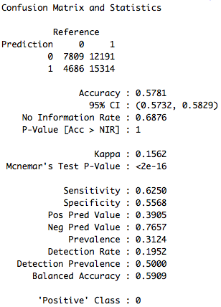
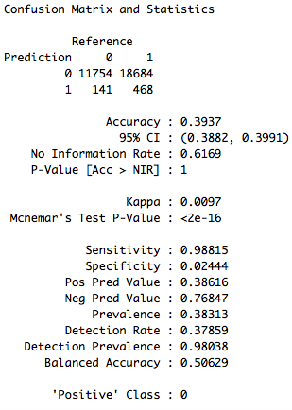

AUROC Value

For Calibration Data | For Validation Data

Somers D

For Calibration Data | For Validation Data

